Sheet1
상품등록 | 신상품 | 상품코드 등록 Validation
 | 구상품
전시관리 | 타입 | 1. 메인배너 |  | a
 |  | 2. 배너 |  | 360*150
 |  | 3. 2*n 상품 리스트 |  | 180*258
 |  | tg |  | 360*227
 |  | 5. 세일 | 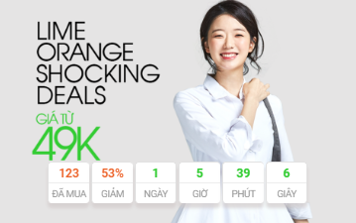 | 360*227
 |  | 6. 컨텐츠 |  | 360*258
 |  | 7. 동영상 |  | 324*200
 | 기간 | 전시 기간 설정 | 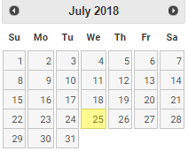
 | 순서 | 전시 순서 설정
 | 노출 | 공개, 비공개
 | 상품코드 | 상품 등록 | 상품코드 입력, 등록
 | 컨텐츠 | 컨텐츠 등록 | KCLIVE 데이터 가져오기

